Relative and absolute
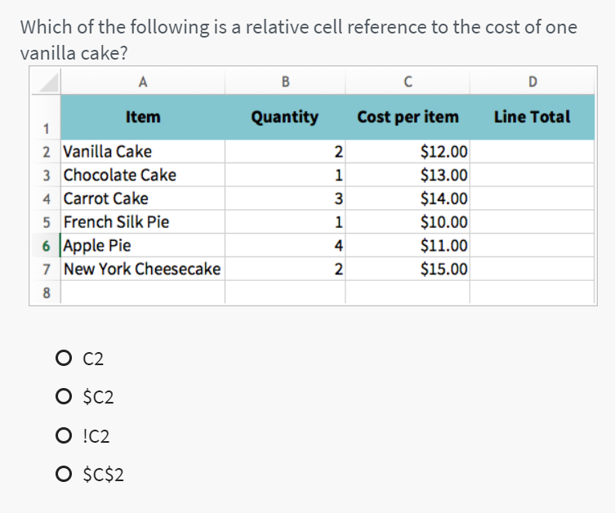
Relative and absolute
 |  |  |  | https://edu.gcfglobal.org/en/excelformulas/relative-and-absolute-cell-references/1/
Rate | 1515

Qty | U. Price | USD | LBP
2 | 10
5 | 14
8 | 17
4 | 9
6 | 3
1 | 5

* F4

